Automation_Best Practices
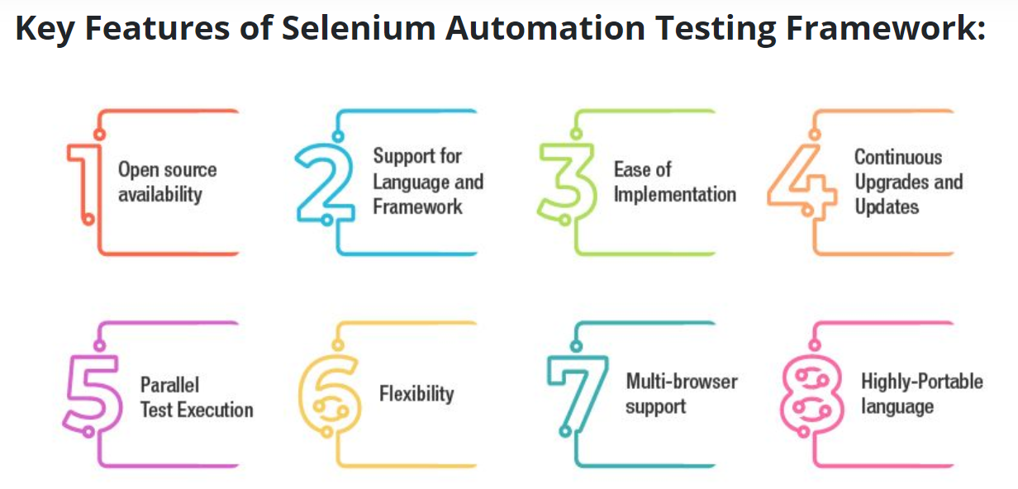
Understand the Application at First Place | It is utmost important for enterprises to have a first-hand understanding of the application to be tested. If automation is required for a web application, then selenium tool can be effectively used. In addition, it is also essential to know about the underlying technologies being used. In case of desktop applications, it is essential to check if any third party controls are involved and have an evaluation of the language used to build that application.
Adopt Page Object Model (POM) | This is a popular test automation design pattern that helps to develop robust automation testing frameworks which are resistant to any small tweaks made in the user interface. The major benefit with this page object model is that it enhances test maintenance and reduces the duplication in code. In these models, the web pages are defined as classes and the different elements on the page become the variables and the user interactions are commonly implemented as methods. The POM frameworks are comparatively more reliable and are easy to maintain. The scripts are readable and the test scripts are reusable. It also eliminates duplicity altogether and hence POM is preferred over other models
General Guidelines | • Use an ampersand (&) for concatenating strings instead of ‘+’. • Set the objects to nothing for cleaning the memory. • Declare only one variable in a line. • There should not be more than 80 characters per line. • The code should be properly indented. • Declare variables using appropriate data types. • Avoid using the variant data type. • Use procedures instead of functions if there is no return value.
Adhere to the usage of Right Locators | At the heart of selenium frameworks is interaction with the browser allowing to navigate, click, type, and check different objects. This all is achieved using different types of locators. These locators include Class, ID, Link Text, Xpath, CSS Selector and Tag Name. Thus, selecting the right locators is utmost important
Keep the Tests Independent of Each other | Independent testing strategy wherein testing a single action or process is independent of the other. This type of testing avoids chained and brittle tests. Hence, tests should be kept as small as possible especially automated functional testing in agile and Continuous integration DevOps models on the go it is always suitable to maintain small tests.
Prefer to use Wait command in place of Thread. Sleep | It is always preferred to use Wait command and it is more important to understand the usage of implicit wait and explicit wait instead of using the Sleep command. This Sleep command waits until the defined time even after the task is completed; while wait command performs the actual time to wait. Sleep command slows down the test while with the Wait, the test time is not affected.
Follow a Proper Test Naming Strategy | It is often observed that there is a tendency for complex applications to have a number of automated test cases. If the tests are not named properly, then it may take a longer time to understand the test and it takes longer time to understand the scenarios. Therefore, to avoid such scenarios, it is important to save the test names wisely based on the scenarios. This will help to identify the test scenario by reading the name itself.
Create Good, Quality Test Data | Good test data is extremely useful for data-driven testing. The data that should be entered into input fields during an automated test is usually stored in an external file. This data might be read from a database or any other data source like text or XML files, Excel sheets, and database tables. A good automated testing tool actually understands the contents of the data files and iterates over the contents in the automated test. Using external data makes your automated tests reusable and easier to maintain. To add different testing scenarios, the data files can be easily extended with new data without needing to edit the actual automated test.
Create Automated Tests That Are Resistant to Changes in the UI | Automated tests created with scripts or keyword tests are dependent on the application under test. The user interface of the application may change between builds, especially in the early stages. These changes may affect the test results, or your automated tests may no longer work with future versions of the application. The problem is automated testing tools use a series of properties to identify and locate an object. Sometimes a testing tool relies on location coordinates to find the object. For instance, if the control caption or its location has changed, the automated test will no longer be able to find the object when it runs and will fail. However, if you provide unique names for your controls, it makes your automated tests resistant to these UI changes and ensures that your automated tests work without having to make changes to the test itself.

